Create Account-Log In.Evidence
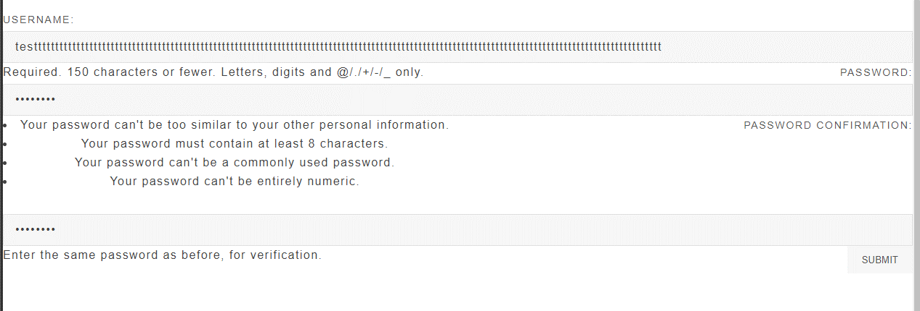
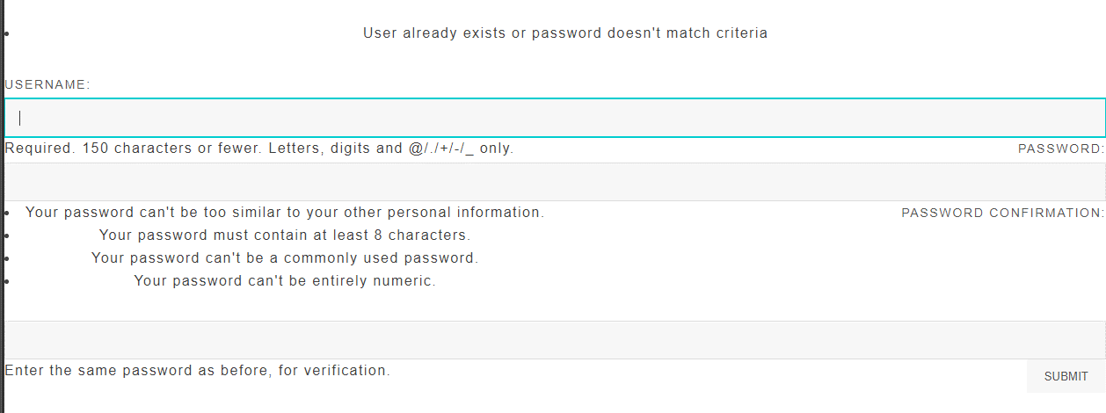
 | Step 2,3,4:
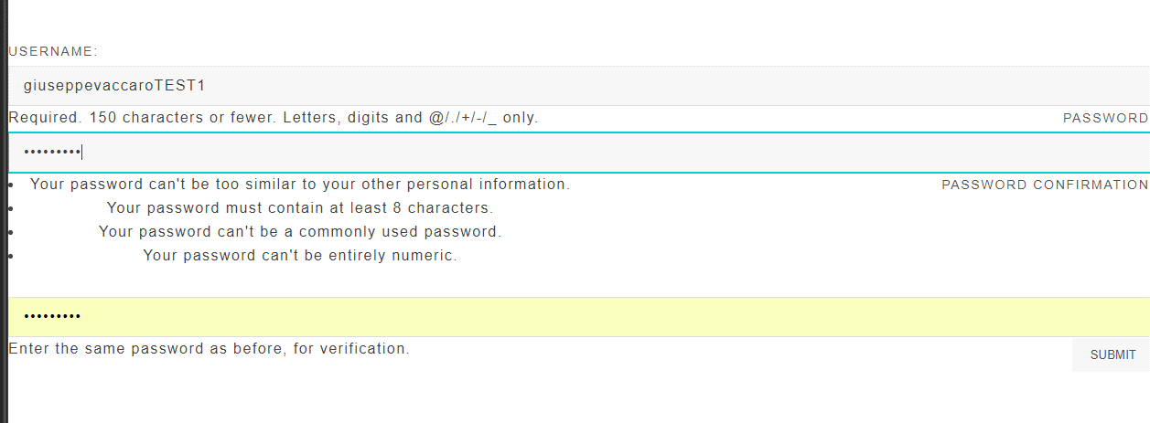

 | Step 5:
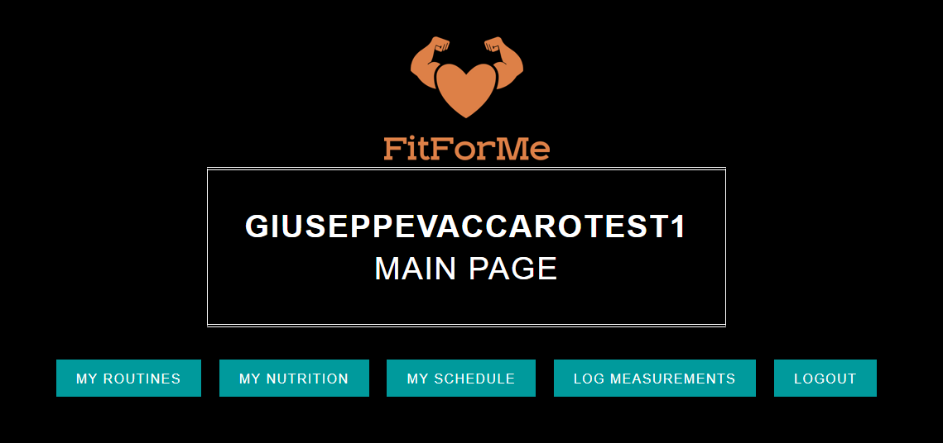

 | Step 6:
 | User name with 176 characters; and common password: password used to create the account for test 6.

Log Meas. & Routine Evidence
 | Step 1
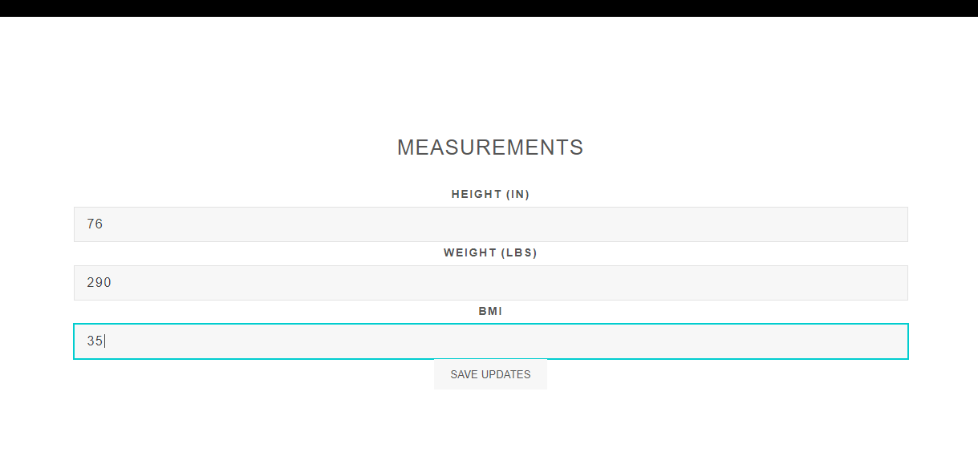

 |  |  | 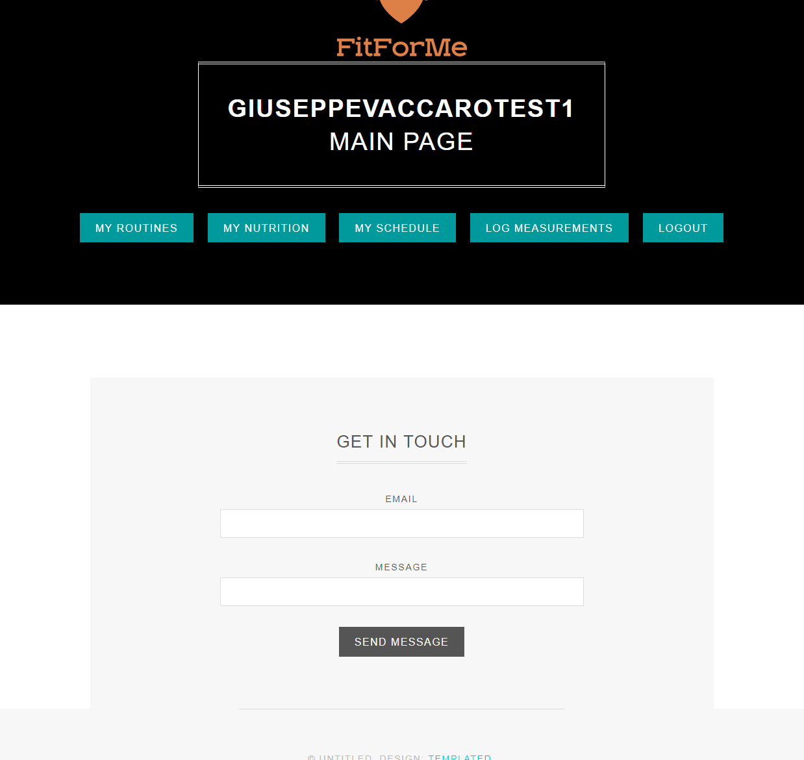

 | Step 2



 |  | 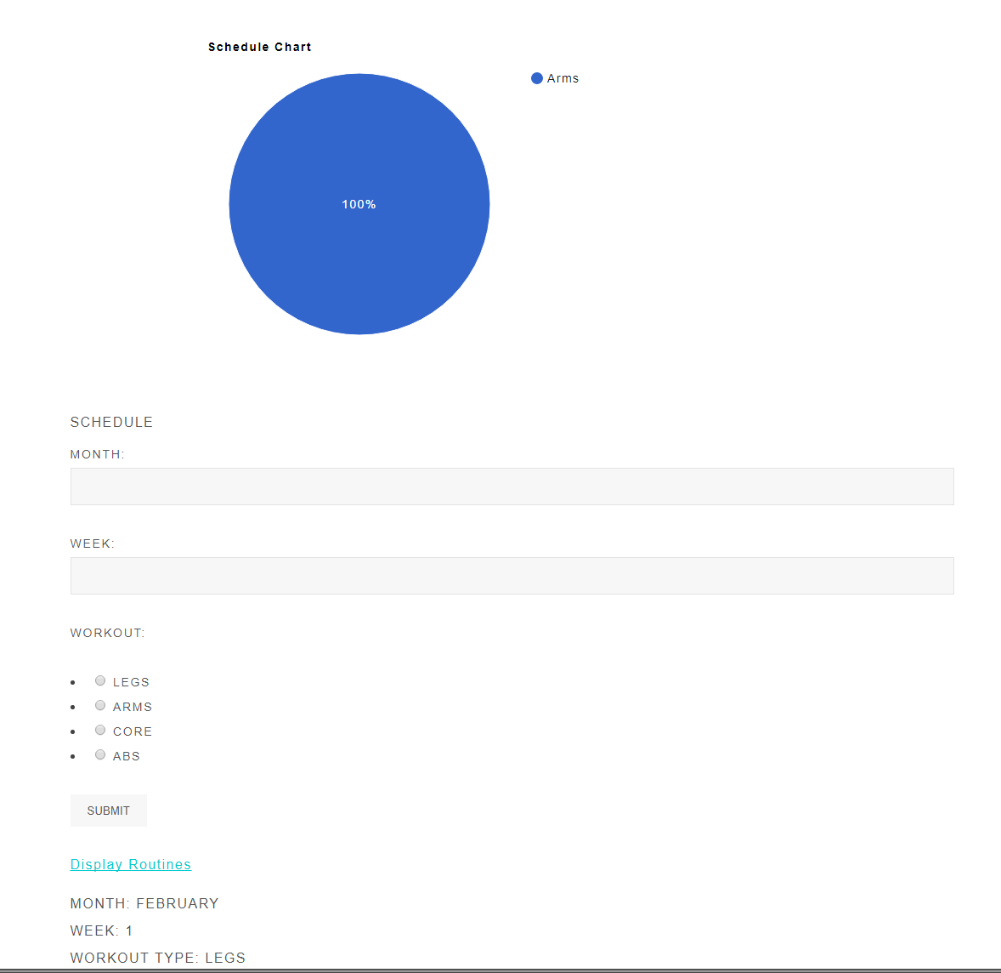

Step 3

